UD Abdi Jaya (Bag, Cup, Box)
DATE | DATE | INV NO. | DESCRIPTIONS | QTY | BILLS | PRICE | SUBTOTAL | TOTAL | Rp8,839,000
2-Mar-2026 | 2-Mar-2026 | 1798/JL/UTM/0326 | CAPTAIN ORDER / NOTA 2 PLY | 10 | 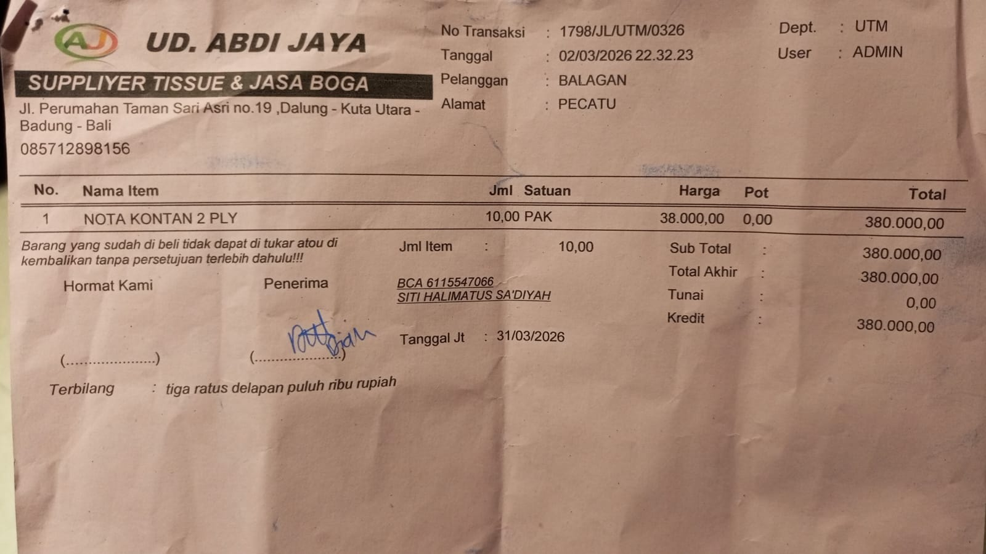 | Rp38,000 | Rp380,000 | Rp380,000
 | 4-Mar-2026 | 1845/JL/UTM/0326 | VACCUUM PLASTIC 20X30 @100PCS | 20 | 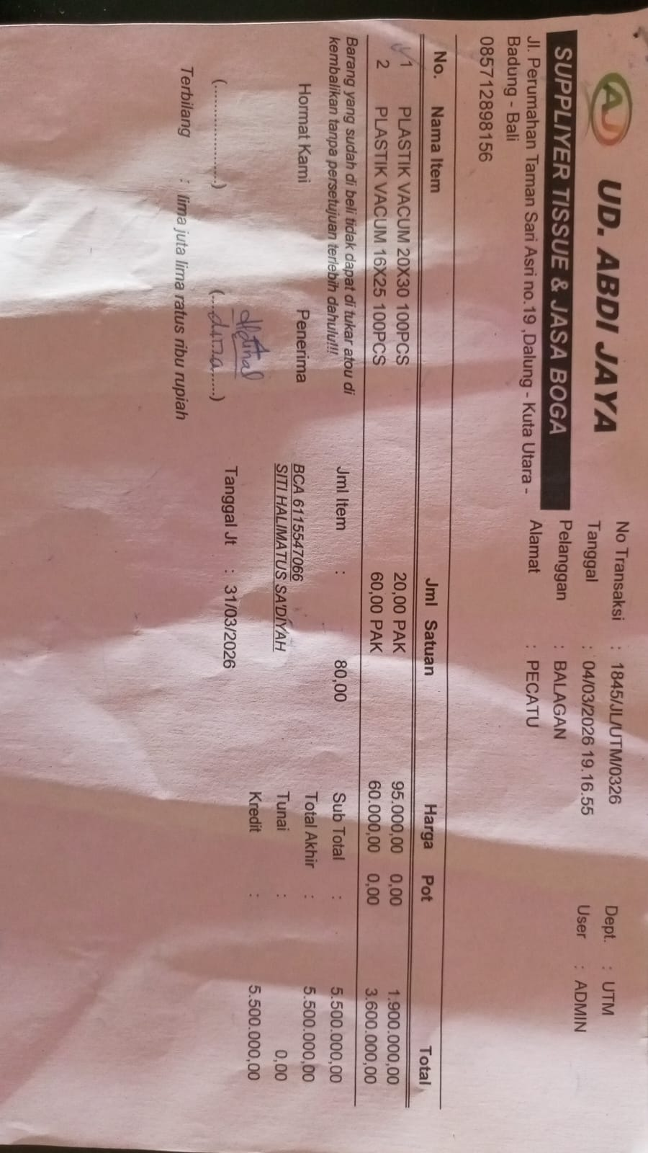 | Rp95,000 | Rp1,900,000 | Rp5,500,000
 |  |  | VACCUUM PLASTIC 16X25 @100PCS | 60 |  | Rp60,000 | Rp3,600,000
 | 9-Mar-2026 | 2004/JL/UTM/0326 | PLASTIC CUTLERIES | 30 | 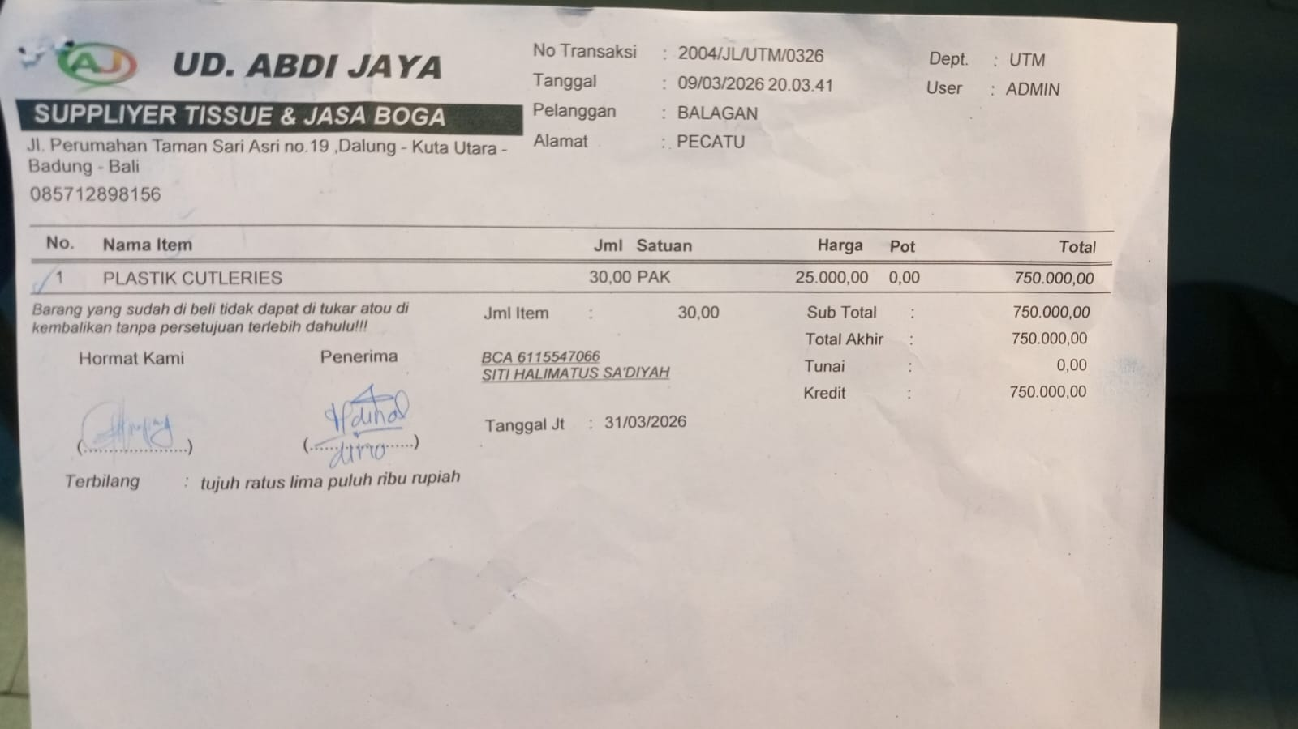 | Rp25,000 | Rp750,000 | Rp750,000
 | 10-Mar-2026 | 2045/JL/UTM/0326 | PLASTIC TRASH BAG | 9 | 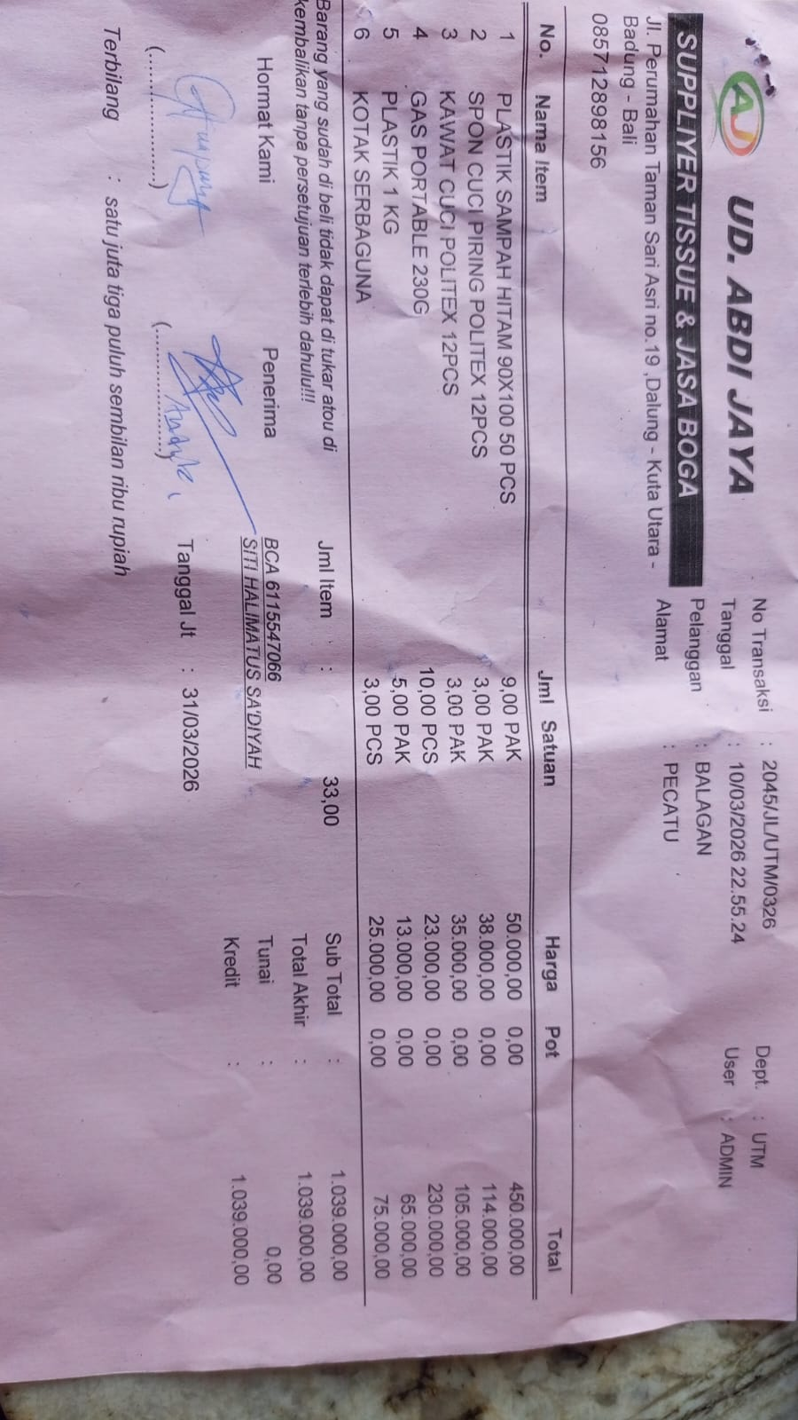 | Rp50,000 | Rp450,000 | Rp1,039,000
 |  |  | DISHWASHING SPONGE @12PCS | 3 |  | Rp38,000 | Rp114,000
 |  |  | DISHWASHING WIRE @12 PCS | 3 |  | Rp35,000 | Rp105,000
 |  |  | PORTABLE GAS 230G | 10 |  | Rp23,000 | Rp230,000
 |  |  | 1KG PLASTIC | 5 |  | Rp13,000 | Rp65,000
 |  |  | MULTI PURPOSE BOX | 3 |  | Rp25,000 | Rp75,000
 | 11-Mar-2026 | 2084/JL/UTM/0326 | MULTI PURPOSE BOX | 2 | 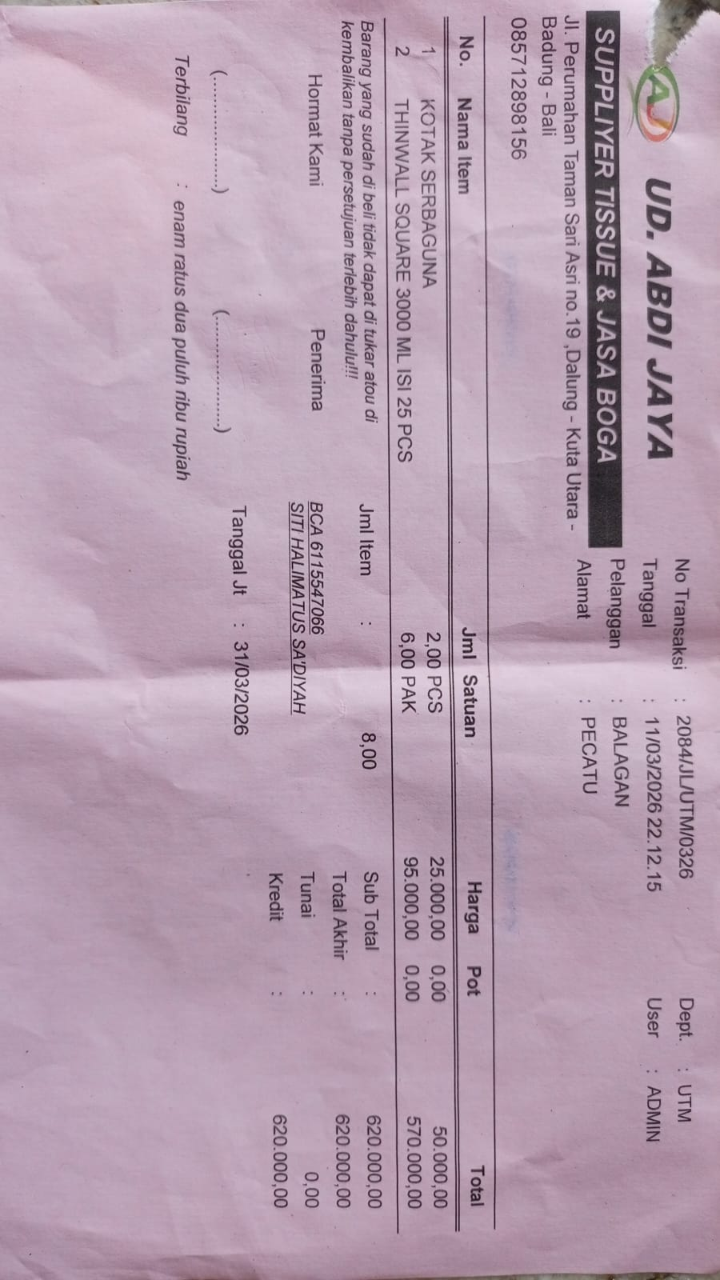 | Rp25,000 | Rp50,000 | Rp620,000
 |  |  | THINWALL SQUARE 3000 ML @25 PCS | 6 |  | Rp95,000 | Rp570,000
 | 23-Mar-2026 | 706 | KEBAB STICKS @100 PCS | 10 | 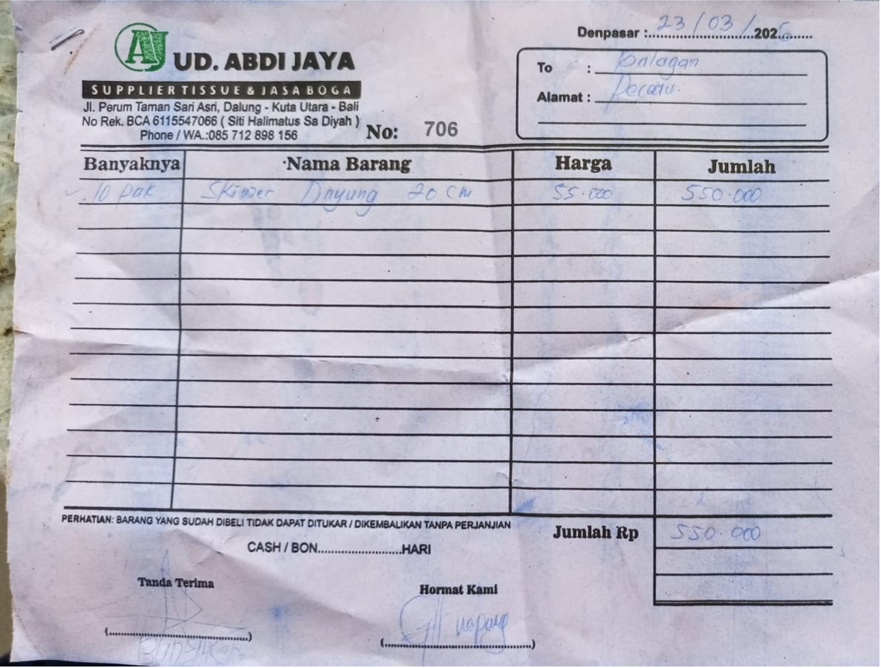 | Rp55,000 | Rp550,000 | Rp550,000
 |  |  |  |  |  |  | Rp-
 |  |  |  |  |  |  | Rp-
 |  |  |  |  |  |  | Rp-
 |  |  |  |  |  |  | Rp-
 |  |  |  |  |  |  |  | Rp8,839,000

